FAI
Customer |  | PO # |  | Date Prepared | 1/14/2026 | First Article Report | 
Part Name | Pinion Gear | Samples | 2 | Prepared by: | Meng
Part Number | 351358 | Inch or mm | Inch | Revision | 1
FAI | Type (Diameter Length Position etc.) | Nominal | + Tolerance | - Tolerance | High Limit | Low Limit | Method | Mfg. Sample 1 | Mfg. Sample 2
1 | Height | 3.000 | 0.010 | 0.010 | 3.010 | 2.990 | Caliper | 3.0090 | 3.0065
2a | Length (Chamfer) | 0.063 | 0.015 | 0.015 | 0.078 | 0.048 | VMM | 0.0650 | 0.0570
2b | Angle (Chamfer) | 45.000 |  |  | 45.000 | 45.000 | VMM | 42.4210 | 41.8870
3 | Diameter | 3.060 | 0.005 | 0.005 | 3.065 | 3.055 | VMM | 3.0650 | 3.0570
4 | Length (Depth) | 0.950 | 0.015 | 0.015 | 0.965 | 0.935 | Caliper | 0.9490 | 0.9415
6 | Diameter (Spline Minor) | 4.097 |  |  | 4.097 | 4.097 | VMM | 4.0770 | 4.0790
8 | Length (Whole Depth) | 0.524 |  |  | 0.524 | 0.524 | VMM | 0.5290 | 0.5300
10 | Diameter (Spline Major) | 5.140 | 0.005 | 0.005 | 5.145 | 5.135 | VMM | 5.1350 | 5.1360
11 | Number of Tooth | 23.000 | 0.000 | 0.000 | 23.000 | 23.000 | N/A | 23.0000 | 23.0000
13 | Diameter (Major) | 3.048 |  |  | 3.048 | 3.048 | VMM | 3.0540 | 3.0480
15 | Diameter (Minor) | 2.755 | 0.005 | 0.005 | 2.760 | 2.750 | VMM | 2.7530 | 2.7580
17 | Number of Tooth | 16.000 | 0.000 | 0.000 | 16.000 | 16.000 | N/A | 16.0000 | 16.0000

Print Page 1
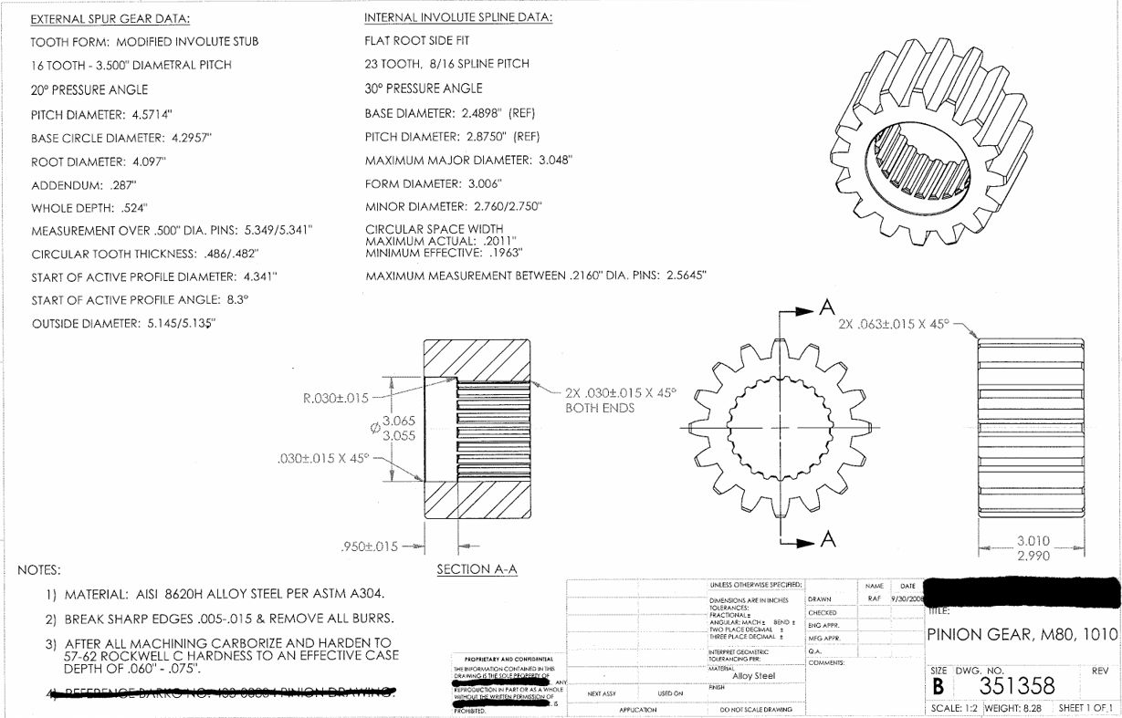
11
17

5
12

6
13

7
14
8
15

9
16
2a
2b

10

3

1

4

Tolerance Table
